Question
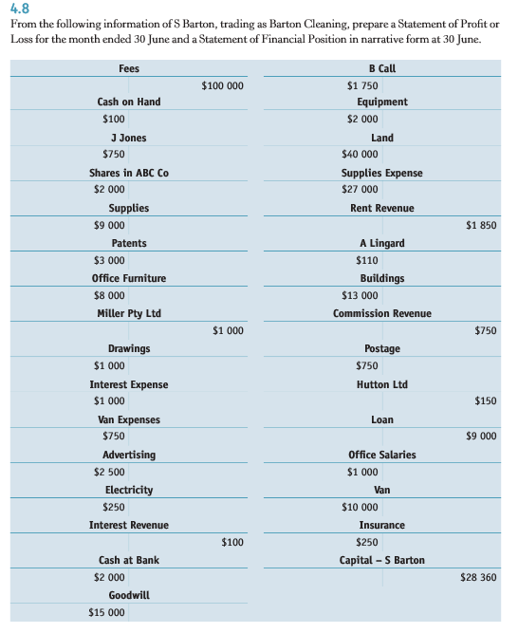
Account | Type | Report
Cash on hand | A | FP | PL Statement of Profit Loss
J Jones | A | FP | FP Statement of Financial Position
Share in ABC Co | A | FP
Supplies | A | FP
Patents | A | FP
Office Furniture | A | FP
Cash at Bank | A | FP
Goodwill | A | FP
B Call | A | FP
Equipment | A | FP
Land | A | FP
A Lingard | A | FP
Buidings | A | FP
Van | A | FP
Miller Pty Ltd | L | FP
Hutton Ltd | L | FP
Loan | L | FP
Capital | OE | FP
Drawings | OE neg | FP
Interest expense | E | PL
Van expenses | E | PL
Advertising | E | PL
Electricity | E | PL
Supplies expense | E | PL
Postage | E | PL
Office Salaries | E | PL
Insurance | E | PL
Fees | R | PL
Interest revenue | R | PL
Rent revenue | R | PL
Commission Revenue | R | PL

